Task
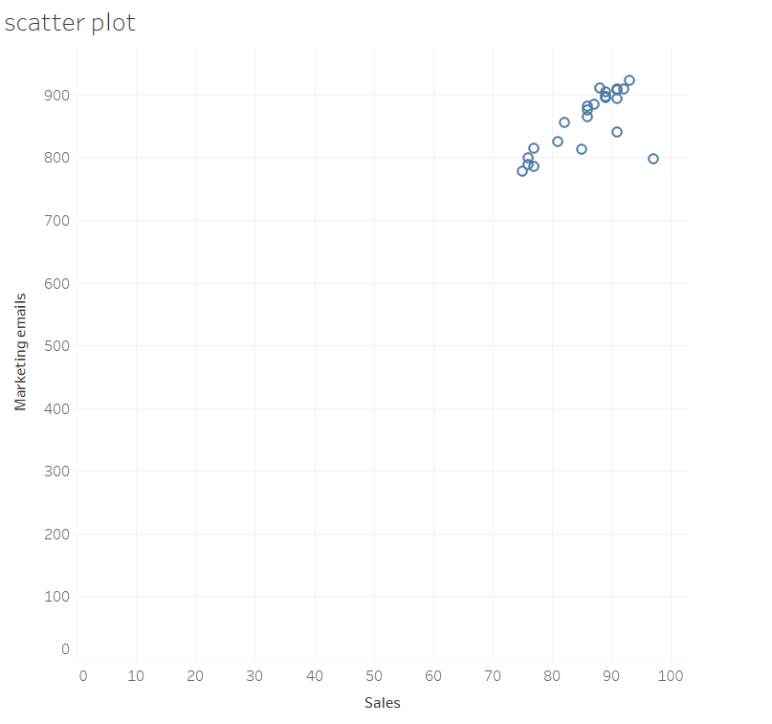
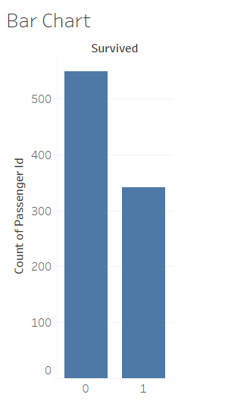
Creating Charts in Tableau
In this exercise, you’ll create three types of charts in Tableau: a bar chart, a line chart, and a scatter plot. Bar charts are useful for comparing data across categories, like sales by region or grades by subject. Line charts help show trends over time, such as stock prices or web traffic. Scatter plots are best for examining relationships between two variables, like the correlation between advertising spend and sales. Your Tasks: Create a Bar Chart: Show the number of customers who survived versus those who didn’t. Create a Line Chart: Visualize the data over time. Create a Scatter Plot: Display the relationship between two variables in the data.

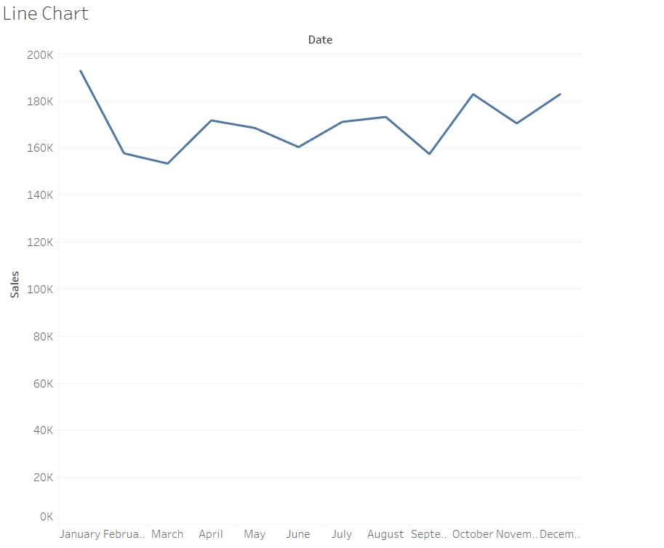
Your Output should be :

